Reports
 | Avg Weekly Use |  | Average Daily Use |  |  | Estimated Supply | Estimated Supply | Avg daily
Drug | Pre-COVID | COVID | Last 14 days | Yesterday | Inventory | Days (with Rate) | Days (No Rate) | Rate Chg (14d) | TRUE
DEXMEDETOMIDINE Drip | 16 | 13 | 4 | 6 | 521 | 54 | 58 | +0.583
Fentanyl CADDs | 9 | 31 | 7 | 8 | 463 | 40 | 42 | +0.389
Midazolam Drips | 6 | 16 | 3 | 2 | 88 | 11 | 44 | -0.146
Propofol 100 mL Drips | 19 | 91 | 19 | 37 | 1500 | 39 | 41 | +1.35
CISATRACURIUM Infusion | 1 | 1 | 2 | 3 | 27 | 6 | 7 | +0.267
ROCURONIUM Infusion | 2 | 5 | 2 | 1 | 9 | 0 | 2 | +0.214
 | Jan-Mar 21st | Mar 22nd + YTD | 03/23 To 04/06 | 04/06 | 04/07
Today is: 04/07/2020
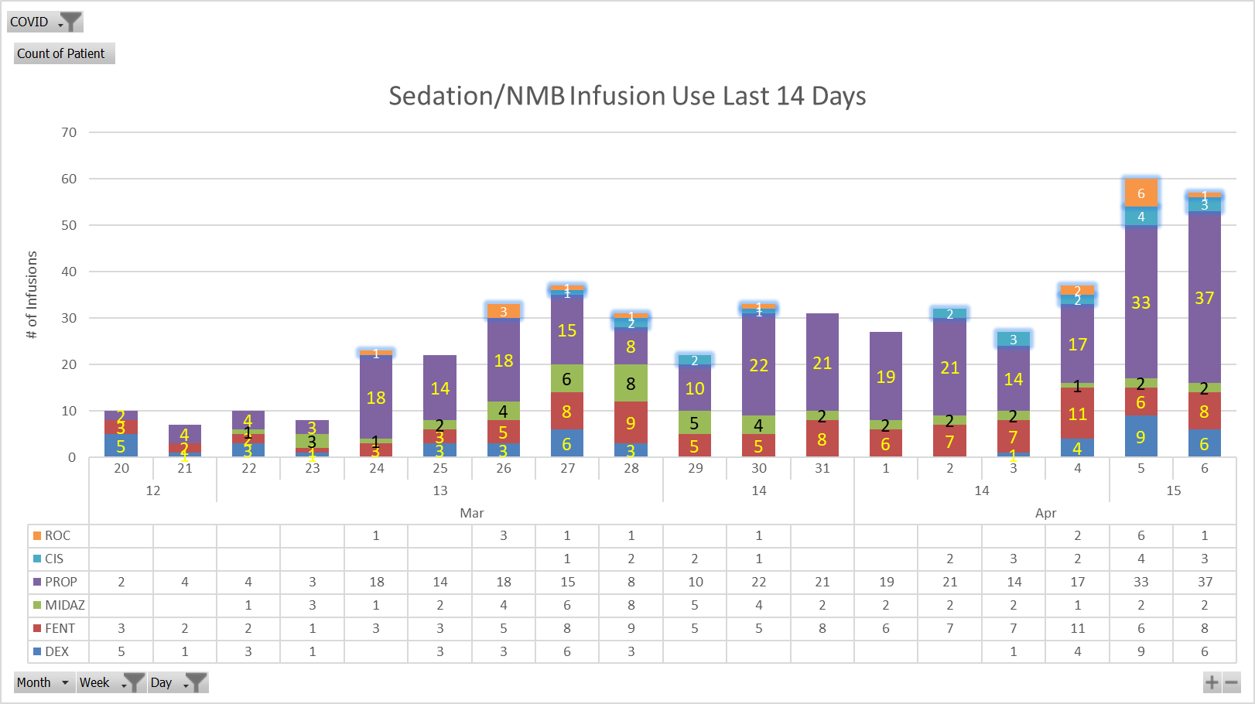
Copy this graph from the uDaily charts sheet

uWeekly
This data comes from your administration reports. Updated numbers are copied as values below for easier referencing and manipulation.

 | Jan |  |  |  |  | Feb |  |  |  | Mar |  |  | COVID
Drug | 1 | 2 | 3 | 4 | 5 | 6 | 7 | 8 | 9 | 10 | 11 | 12 | 13 | 14 | 15
DEXMEDETOMIDINE 400MCG/NS 100ML INFUSION | 8 | 8 | 30 | 27 | 4 |  | 56 | 9 | 9 | 7 | 1 | 12 | 19 | 5 | 15
FENTANYL 2500MCG/50ML INFUSION (PREMIX) | 5 | 5 | 4 | 19 | 7 | 16 | 7 | 2 | 13 | 16 | 3 | 8 | 31 | 49 | 14
MIDAZOLAM 100MG IN 100ML INFUSION | 3 | 5 |  | 15 | 4 | 13 |  | 1 | 2 | 14 |  | 1 | 25 | 18 | 4
PROPOFOL 10 MG/ML INTRAVENOUS EMULSION |  | 3 | 14 | 13 | 11 | 58 | 38 | 12 | 38 | 2 | 17 | 6 | 80 | 124 | 70
CISATRACURIUM Infusion |  |  |  |  |  | 1 |  |  |  | 1 |  |  |  |  | 1
ROCURONIUM Infusion |  |  |  | 1 | 2 | 4 | 1 | 1 | 1 |  | 2 |  | 6 | 3 | 7

uDaily
This data comes from your administration reports. Updated numbers are copied as values below for easier referencing and manipulation.

 |  |  |  |  | 13 |  |  |  |  |  |  | 14 |  |  |  |  |  |  | 15
Infusion | 18 | 19 | 20 | 21 | 22 | 23 | 24 | 25 | 26 | 27 | 28 | 29 | 30 | 31 | 1 | 2 | 3 | 4 | 5 | 6
DEXMEDETOMIDINE DRIP |  | 1 | 5 | 1 | 3 | 1 |  | 3 | 3 | 6 | 3 |  |  |  |  |  | 1 | 4 | 9 | 6
FENTANYL CADD | 1 | 1 | 3 | 2 | 2 | 1 | 3 | 3 | 5 | 8 | 9 | 5 | 5 | 8 | 6 | 7 | 7 | 11 | 6 | 8
MIDAZOLAM DRIP |  | 1 |  |  | 1 | 3 | 1 | 2 | 4 | 6 | 8 | 5 | 4 | 2 | 2 | 2 | 2 | 1 | 2 | 2
PROPOFOL DRIP |  |  | 2 | 4 | 4 | 3 | 18 | 14 | 18 | 15 | 8 | 10 | 22 | 21 | 19 | 21 | 14 | 17 | 33 | 37
CISATRACURIUM INFUSION |  |  |  |  |  |  |  |  |  | 1 | 2 | 2 | 1 |  |  | 2 | 3 | 2 | 4 | 3
ROCURONIUM Infusion |  |  |  |  |  |  | 1 |  | 3 | 1 | 1 |  | 1 |  |  |  |  | 2 | 6 | 1

uDaily charts
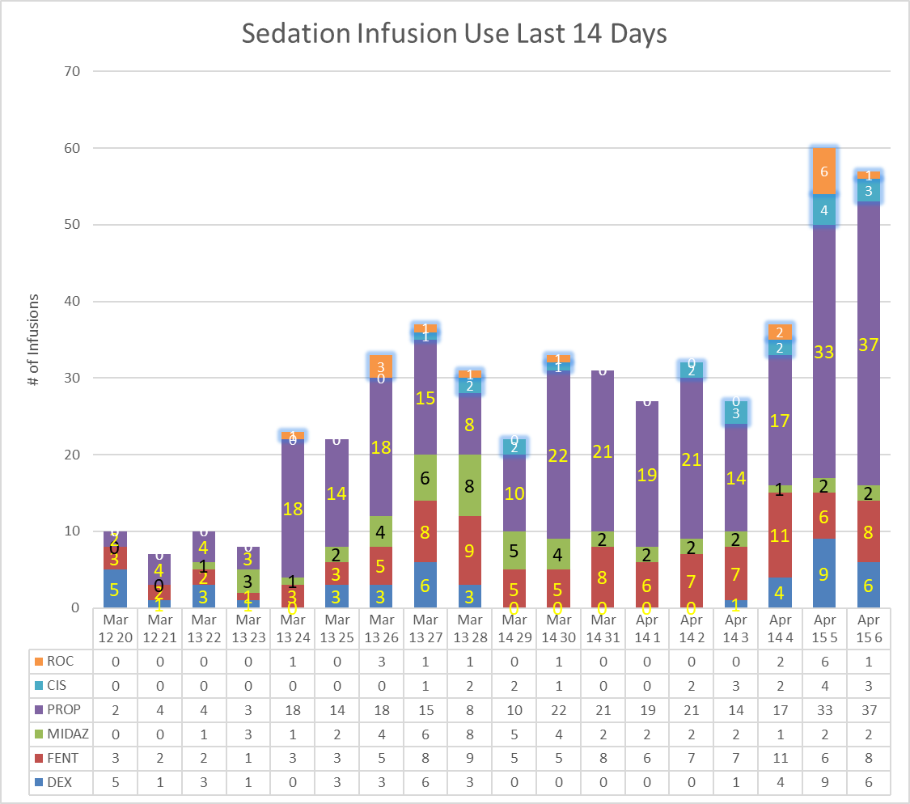

This data comes from your administration reports. When this chart updates, it will update the chart on the reports tab as well.

uRate
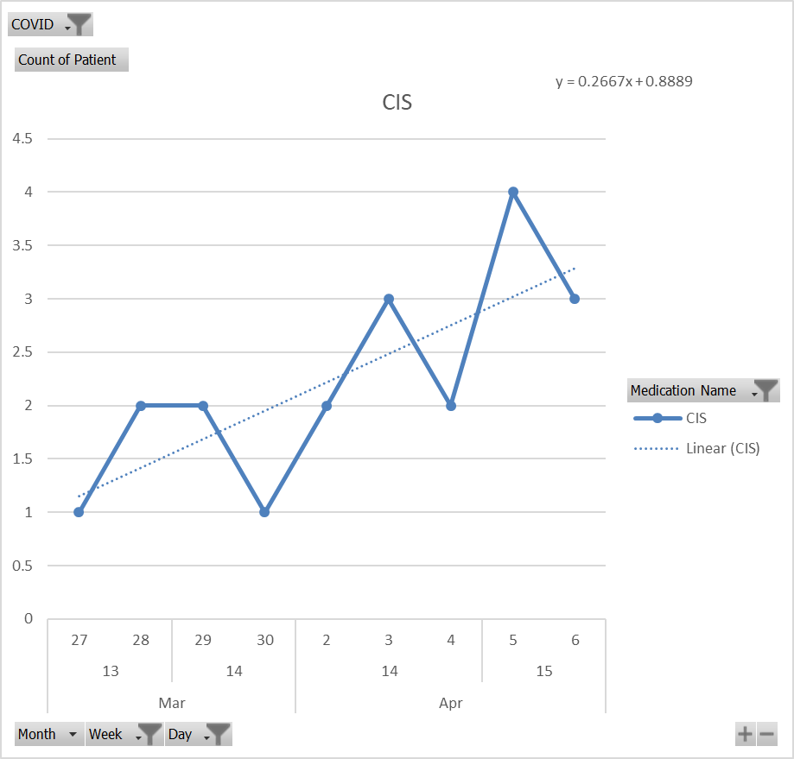
COVID | Drug | Rate
 | Dex | 0.583
 | Fent | 0.389
 | Mid | -0.146
 | Prop | 1.35
 | Cis | 0.267
This data comes from your administration reports. Manually select each drug by itself to see the formula for the trendline. Use the slope as the current rate or change in use over time.
 | Roc | 0.214

iDaily
 | Today: | 2020-04-07

 |  |  |  |  |  | Automated | Manual
 | Automated Inventory | Secure Inventory | Total | Compounding Correction | Infusion Equivalents | Inv | Inv
Cis | 9 |  | 9 | 20 | 0.45 | 0 | 27
Cis | 0 |  | 0 | 1 | 0
Dex | 159 |  | 159 | 2 | 79.5 | 80 | 521
Fent | 3495 |  | 3495 | 25 | 139.8 | 454 | 463
Fent | 117 |  | 117 | 2.5 | 46.8
Fent | 1245 |  | 1245 | 10 | 124.5
Fent | 258 |  | 258 | 1 | 258
Fent | 125 |  | 125 | 5 | 25
Midaz | 90 |  | 90 | 2 | 45 | 45 | 88
Midaz | 1301 |  | 1301 | 50 | 26.02
Midaz | 77 |  | 77 | 20 | 3.85
Midaz | 695 |  | 695 | 20 | 34.75
Prop | 34 |  | 34 | 1 | 34 | 141 | 1500
Prop | 452 |  | 452 | 5 | 90.4
Prop | 33 |  | 33 | 2 | 16.5
Roc | 96 |  | 96 | 10 | 9.6 | 9 | 9
Roc | 0 |  | 0 | 5 | 0
Roc | 90 |  | 90 | 10 | 9

This data comes from your inventory reports. Updated numbers are copied as values to add together with non-automated inventory. Infusions are derived as a sum of units needed for a standard infusion.

uData
Hosp | Unit | Nurse | Patient | MRN | HAR | Order ID | Medication Name | Taken Time | Saved Time | Route | Strength | Dose | Mar_results | Blood | Alert | Medication Comments | Override Rsn/Cmnt | Pharmacy | COVID Category | Year | Month | Day | Week | Weekday | State

This data comes from your administration reports. Your headers will be different, but the essential columns are highlighted.

iData
Month | Week | Day | iDate | Facility | Medication | Alias ID | Wholesaler ID | Med ID | Box Size | Unit Price | ROBOT-Rx Inv | AcuDose-Rx Inv | MedCarousel Inv | MedShelf Inv | Offline/Bulk Inv | IntelliShelf-Rx Inv | NarcStation Inv | Anesthesia-Rx Inv | PACMED Inv | PROmanager-Rx Inv | PROmanager-Rx Offline Inv | Satellite Inv | Total Inv | Total Inv Cost | MC Avg 30Day Inv | Value of MC Avg 30 Day | MS Avg 30 Day Inv | Value of MS Avg 30 Day | DEA Class | COVID

This data comes from your inventory reports. Your headers will be different, but the essential columns are highlighted.

Running
1. Copy Ref sheet to daily med administration file
2. Create new column for COVID
3. Copy/paste COVID formula to the COVID column
4. Autofill the formula to the end of the sheet
5. Sort, then filter on COVID status
6. Copy/paste VALUES into Drug Usage tab
COVID Formula
IFERROR(HLOOKUP("COVID",Ref!B:B,MATCH(Admins!H:H,Ref!A:A,0)),"")

Ref
Drug | COVID | cDrug | COVID Categories
ACETAMINOPHEN 325 MG TAB/CAPLET | COVID Tracking | ACETAMINOPHEN | COVID Inhaler
ACETAMINOPHEN 325MG/10.15ML 325 MG LIQUID | COVID Tracking | ACETAMINOPHEN (L) | COVID Cough
ACETAMINOPHEN 500 MG TAB/CAPLET | COVID Tracking | ACETAMINOPHEN | COVID Sedation/Pain
ALBUTEROL (ProAir HFA) 8.5 GM INHALER | COVID Inhaler | ALBUTEROL MDI | COVID Paralytics
ALBUTEROL (Ventolin HFA) 8 GM INHALER | COVID Inhaler | ALBUTEROL MDI | COVID Vasopressors
ALBUTEROL SULFATE 2.5 MG/3 ML (0.083 %) SOLUTION FOR NEBULIZATION | COVID Inhaler | ALBUTEROL NEB | COVID Cardiac
ALBUTEROL SULFATE CONCENTRATE 5 MG/ML(0.5 %) SOLUTION FOR NEBULIZATION | COVID Inhaler | ALBUTEROL NEB | COVID Treatment
ALBUTEROL SULFATE HFA 90 MCG/ACTUATION AEROSOL INHALER | COVID Inhaler | ALBUTEROL MDI
AMIODARONE 150 MG/100 ML (1.5 MG/ML) IN DEXTROSE, ISO-OSMOTIC IV | COVID Cardiac | AMIODARONE (P)
AMIODARONE 200 MG TAB | COVID Cardiac | AMIODARONE
Update the Drug column with descriptions from your inventory and administration (usage) reports.
AMIODARONE 360 MG/200 ML (1.8 MG/ML) IN DEXTROSE, ISO-OSMOTIC IV | COVID Cardiac | AMIODARONE (SVP)
AMIODARONE 50 MG/ML INTRAVENOUS SOLUTION | COVID Cardiac | AMIODARONE (INJ)
AMIODARONE INJ 450MG/9ML 450 MG VIAL | COVID Cardiac | AMIODARONE (INJ)
AMIODARONE INJ. 150MG/3ML 150 MG VIAL | COVID Cardiac | AMIODARONE (INJ)
AMIODARONE PREMIX 150MG/100ML 150 MG IV BAG | COVID Cardiac | AMIODARONE (SVP)
AMIODARONE PREMIX 360MG/200ML 360 MG IV BAG | COVID Cardiac | AMIODARONE (SVP)
AZITHROMYCIN 200 MG/5 ML ORAL SUSPENSION | COVID Treatment | AZITHROMYCIN (L)
AZITHROMYCIN 250 MG TABLET | COVID Treatment | AZITHROMYCIN
AZITHROMYCIN 500MG/NS 250ML IVPB | COVID Treatment | AZITHROMYCIN (SVP)
AZITHROMYCIN IVPB | COVID Treatment | AZITHROMYCIN (IV)
BENZONATATE 100 MG CAP | COVID Cough | BENZONATATE
BENZONATATE 100 MG CAPSULE | COVID Cough | BENZONATATE
BREO (FLUTICASONE/VILANTEROL) 100-25 INHALER | COVID Inhaler | BREO MDI
BREO (FLUTICASONE/VILANTEROL) 200-25 INHALER | COVID Inhaler | BREO MDI
CHLOROQUINE 500 MG TABLET | COVID Treatment | CHLOROQUINE
CISATRACURIUM 2 MG/ML INTRAVENOUS SOLUTION | COVID Paralytics | CISATRACURIUM (SVP)
CISATRACURIUM 200MG/NS 250ML INFUSION | COVID Paralytics | CISATRACURIUM (SVP)
CISATRACURIUM INJ. 10MG/5ML 10 MG VIAL | COVID Paralytics | CISATRACURIUM (INJ)
CISATRACURIUM INJ. 200MG/20ML 200 MG VIAL | COVID Paralytics | CISATRACURIUM (INJ)
CODEINE 10 MG-GUAIFENESIN 100 MG/5 ML SYRUP - SUPER ORDERABLE | COVID Cough | CODEINE - GUAIFENESIN (L)
DEXMEDETOMIDINE 400MCG/NS 100ML INFUSION | COVID Sedation/Pain | DEXMEDETOMIDINE (SVP)
DEXMEDETOMIDINE INJ 200MCG/2ML 200 MCG VIAL | COVID Sedation/Pain | DEXMEDETOMIDINE (SVP)
DEXTROMETHORPHAN-GUAIFENESIN 10 MG-100 MG/5 ML ORAL SYRUP | COVID Cough | DEXTROMETHORPHAN-GUAIFENESIN (L)
DEXTROMETHORPHAN-GUAIFENESIN 10 MG-100 MG/5 ML ORAL SYRUP | COVID Cough | DEXTROMETHORPHAN-GUAIFENESIN (L)
DILTIAZEM INJ 125MG/25ML 125 MG VIAL | COVID Tracking | DILTIAZEM (INJ)
DILTIAZEM INJ 25MG/5ML 25 MG VIAL | COVID Tracking | DILTIAZEM (INJ)
DOBUTAMINE 1,000 MG/250 ML(4,000 MCG/ML) IN 5 % DEXTROSE IV | COVID Vasopressors | DOBUTAMINE (SVP)
DOBUTAMINE 1000MG/D5W 250ML INFUSION | COVID Vasopressors | DOBUTAMINE (SVP)
DOBUTamine INJ 250MG/20ML 250 MG VIAL | COVID Vasopressors | DOBUTamine (INJ)
DOBUTamine PREMIX 1000MG/250ML 1000 MG IV | COVID Vasopressors | DOBUTAMINE (SVP)
DOPamine INJ 200MG/5ML 200 MG VIAL | COVID Tracking | DOPamine (INJ)
DOPamine PREMIX 400MG/250ML 400 MG IV | COVID Tracking | DOPamine (SVP)
EPINEPHRINE 1 MG/ML INJECTION SOLUTION - WRAPPER | COVID Vasopressors | EPINEPHRINE (INJ)
EPINEPHRINE 16MG/D5W 250ML INFUSION | COVID Vasopressors | EPINEPHRINE (SVP)
EPINEPHRINE 4MG/D5W 250ML INFUSION | COVID Vasopressors | EPINEPHRINE (SVP)
EPINEPHrine INJ 1:1000 30 ML VIAL | COVID Vasopressors | EPINEPHRINE (INJ)
EPINEPHrine TOPICAL 1:1000 30 ML SOLN | COVID Tracking | EPINEPHRINE (INJ)
ETOMIDATE 2 MG/ML INTRAVENOUS SOLUTION | COVID Sedation/Pain | ETOMIDATE (SVP)
ETOMIDATE INJ 20MG/10ML 20 MG VIAL | COVID Sedation/Pain | ETOMIDATE (INJ)
ETOMIDATE INJ 40MG/20ML 40 MG VIAL | COVID Sedation/Pain | ETOMIDATE (INJ)
FENTANYL (PF) 50 MCG/ML INJECTION SOLUTION | COVID Sedation/Pain | FENTANYL (INJ)
FENTANYL 2500MCG/50ML INFUSION (PREMIX) | COVID Sedation/Pain | FENTANYL (SVP)
fentaNYL CITRATE INJ 100 MCG/2 ML 100 MCG INJ | COVID Sedation/Pain | FENTANYL (INJ)
fentaNYL CITRATE INJ 1000 MCG/20 ML 1000 MCG VIAL | COVID Sedation/Pain | FENTANYL (INJ)
fentaNYL CITRATE INJ 250 MCG/5 ML 250 MCG INJ | COVID Sedation/Pain | FENTANYL (INJ)
fentaNYL CITRATE INJ 2500 MCG/50 ML 50 ML VIAL | COVID Sedation/Pain | FENTANYL (INJ)
fentaNYL CITRATE INJ 500 MCG/10 ML 500 MCG VIAL | COVID Sedation/Pain | FENTANYL (INJ)
GUAIFENESIN 100 MG/5 ML ORAL LIQUID | COVID Cough | GUAIFENESIN (L)
guaiFENesin DM 100MG-10MG/5ML 5 ML SYRUP | COVID Cough | DEXTROMETHORPHAN-GUAIFENESIN (L)
GUAIFENESIN ER 600 MG TABLET, EXTENDED RELEASE 12 HR | COVID Cough | GUAIFENESIN
guaiFENesin LA 600 MG TAB | COVID Cough | GUAIFENESIN
HYDROCODONE 10 MG-CHLORPHENIRAMINE 8 MG/5 ML ORAL SUSP EXTEND.REL 12HR | COVID Cough | TUSSIONEX (L)
HYDROXYCHLOROQUINE 200 MG TAB | COVID Treatment | HYDROXYCHLOROQUINE
HYDROXYCHLOROQUINE 200 MG TABLET | COVID Treatment | HYDROXYCHLOROQUINE
IPRATROPIUM 0.5 MG-ALBUTEROL 3 MG (2.5 MG BASE)/3 ML NEBULIZATION SOLN | COVID Inhaler | IPRATROPIUM NEB
IPRATROPIUM 0.5 MG-ALBUTEROL 3 MG (2.5 MG BASE)/3 ML NEBULIZATION SOLN | COVID Inhaler | IPRATROPIUM NEB
IPRATROPIUM BROMIDE 0.02 % SOLUTION FOR INHALATION | COVID Inhaler | IPRATROPIUM NEB
IPRATROPIUM BROMIDE 0.03 % NASAL SPRAY | COVID Inhaler | IPRATROPIUM NASAL
KALETRA 200 MG-50 MG 1 TAB | COVID Treatment | KALETRA
KETAMINE 10 MG/ML INJECTION SOLUTION WRAPPER | COVID Sedation/Pain | KETAMINE (INJ)
KETAMINE INJ 500MG/10ML 500 MG VIAL | COVID Sedation/Pain | KETAMINE (INJ)
LOPINAVIR-RITONAVIR 100 MG-25 MG TABLET | COVID Treatment | KALETRA
LOPINAVIR-RITONAVIR 200 MG-50 MG TABLET | COVID Treatment | KALETRA
LOPINAVIR-RITONAVIR 400 MG-100 MG/5 ML ORAL SOLUTION | COVID Treatment | KALETRA (L)
LORazepam INJ 2MG/ML 2 MG INJ | COVID Tracking | LORazepam (INJ)
METHYLENE BLUE 0.5% INJ AMPULE | COVID Tracking | METHYLENE BLUE (INJ)
METHYLENE BLUE INJ 1% 10 ML VIAL | COVID Tracking | METHYLENE BLUE (INJ)
MIDAZOLAM 1 MG/ML INJECTION SOLUTION | COVID Sedation/Pain | MIDAZOLAM (SVP)
MIDAZOLAM 100MG IN 100ML INFUSION | COVID Sedation/Pain | MIDAZOLAM (SVP)
MIDAZOLAM 5 MG/ML INJECTION SOLUTION | COVID Sedation/Pain | MIDAZOLAM (INJ)
MIDAZOLAM HCL 50MG/10ML 50 MG VIAL | COVID Sedation/Pain | MIDAZOLAM (INJ)
MIDAZOLAM INJ 2MG/2ML 2 MG INJ | COVID Sedation/Pain | MIDAZOLAM (INJ)
MIDAZOLAM INJ 5MG/1ML 5 MG VIAL | COVID Sedation/Pain | MIDAZOLAM (INJ)
MIDAZOLAM INJ 5MG/5ML 5 MG VIAL | COVID Sedation/Pain | MIDAZOLAM (INJ)
MIDODRINE 10 MG TAB | COVID Tracking | MIDODRINE
MIDODRINE 2.5 MG TAB | COVID Tracking | MIDODRINE
MIDODRINE 5 MG TAB | COVID Tracking | MIDODRINE
MILRINONE 20MG IN D5W 100ML PREMIX BAG | COVID Tracking | MILRINONE (SVP)
MILRINONE 20MG/20ML 20 ML VIAL | COVID Tracking | MILRINONE (INJ)
MORPHINE 10 MG/ML INJECTION SOLUTION - WRAPPER | COVID Sedation/Pain | MORPHINE (INJ)
MORPHINE 2 MG/ML INJECTION SYRINGE | COVID Sedation/Pain | MORPHINE (INJ)
MORPHINE 30 MG/30 ML (1 MG/ML) IN 0.9 % SODIUM CHLORIDE IV PCA SYRINGE | COVID Sedation/Pain | MORPHINE (SVP)
MORPHINE 4 MG/ML INJECTION SYRINGE | COVID Sedation/Pain | MORPHINE (INJ)
MORPHINE 8 MG/ML INJECTION SOLUTION | COVID Sedation/Pain | MORPHINE (INJ)
MORPHINE INJ 10MG/ML 10 MG VIAL | COVID Sedation/Pain | MORPHINE (INJ)
MORPHINE INJ 250MG/10ML 250 MG INJ | COVID Sedation/Pain | MORPHINE (INJ)
MORPHINE INJ 2MG/1ML 2 MG SYRINGE | COVID Sedation/Pain | MORPHINE (INJ)
MORPHINE INJ 4MG/1ML 4 MG INJ | COVID Sedation/Pain | MORPHINE (INJ)
MORPHINE INJ 8MG/1ML 8 MG INJ | COVID Sedation/Pain | MORPHINE (INJ)
Morphine PRESERV.FREE 10mg/10mL 10 MG INJ | COVID Sedation/Pain | MORPHINE (INJ)
NOREPINEPHRINE 16MG/D5W 250ML INFUSION | COVID Vasopressors | NOREPINEPHRINE (SVP)
NOREPINEPHRINE 4MG/D5W 250ML INFUSION | COVID Vasopressors | NOREPINEPHRINE (SVP)
NOREPINEPHRINE BITARTRATE 4 MG/250 ML (16 MCG/ML) IN DEXTROSE 5 % IV | COVID Vasopressors | NOREPINEPHRINE (SVP)
NOREPINEPHRINE INJ 4MG/4ML 4 MG VIAL | COVID Vasopressors | NOREPINEPHRINE (INJ)
OLODATEROL 4 GM INHALER | COVID Inhaler | OLODATEROL MDI
PHENYLEPHRINE INJ FOR ANESTHESIA USE 1MG/10ML 1 MG SYRINGE | COVID Tracking | PHENYLEPHRINE (INJ)
PHENYLEPHRINE INJ. 10MG/1ML 10 MG VIAL | COVID Tracking | PHENYLEPHRINE (INJ)
PHENYLEPHRINE INJ. 50MG/5ML 50 MG VIAL | COVID Tracking | PHENYLEPHRINE (INJ)
PROPOFOL 1000MG/100ML 100 ML INFUSION | COVID Sedation/Pain | PROPOFOL (SVP)
PROPOFOL INJ. 200MG/20ML 20 ML VIAL | COVID Sedation/Pain | PROPOFOL (INJ)
PROPOFOL INJ. 500MG/50ML 50 ML VIAL | COVID Sedation/Pain | PROPOFOL (SVP)
RITONAVIR 100 MG TABLET | COVID Treatment | RITONAVIR
ROCURONIUM 10 MG/ML INTRAVENOUS SOLUTION | COVID Paralytics | ROCURONIUM (SVP)
ROCURONIUM 50 MG/5 ML (10 MG/ML) INTRAVENOUS SYRINGE | COVID Paralytics | ROCURONIUM (INJ)
ROCURONIUM INJ FOR ANESTHESIA USE 50MG/5ML 50 MG SYRINGE | COVID Paralytics | ROCURONIUM (INJ)
ROCURONIUM INJ. 100MG/10ML 100 MG VIAL | COVID Paralytics | ROCURONIUM (INJ)
ROCURONIUM INJ. 50MG/5ML 50 MG VIAL | COVID Paralytics | ROCURONIUM (INJ)
SUCCINYLCHOLINE CHLORIDE 20 MG/ML INJECTION SOLUTION | COVID Paralytics | SUCCINYLCHOLINE (INJ)
SUCCINYLCHOLINE CHLORIDE 200 MG/10 ML (20 MG/ML) INTRAVENOUS SYRINGE | COVID Paralytics | SUCCINYLCHOLINE (INJ)
SUCCINYLCHOLINE INJ ANESTHESIA 200MG/10ML 200 MG SYRINGE | COVID Paralytics | SUCCINYLCHOLINE (INJ)
SUCCINYLCHOLINE INJ. 200MG/10ML 200 MG VIAL | COVID Paralytics | SUCCINYLCHOLINE (INJ)
TIOTROPIUM 2.5 MCG-OLODATEROL 2.5 MCG/ACTUATION MIST FOR INHALATION | COVID Inhaler | TIOTROPIUM MDI
TIOTROPIUM BROMIDE 2.5 MCG/ACTUATION MIST FOR INHALATION | COVID Inhaler | TIOTROPIUM MDI
TIOTROPIUM RESPIMAT (SPIRIVA) 2.5 MCG/INH 4 GM INHALER | COVID Inhaler | TIOTROPIUM MDI
TIOTROPIUM-OLODATEROL RESPIMAT (STIOLTO) 2.5MCG-2.5MCG/INH 4 GM INHALER | COVID Inhaler | TIOTROPIUM-OLODATEROL MDI
TUSSIONEX [GENERIC] 5 ML SUSP | COVID Cough | TUSSIONEX (L)
TUSSIONEX [GENERIC] BULK 118 ML SUSP ORAL | COVID Cough | TUSSIONEX (L)
VASOpressin INJ. 20 UNIT/ML 20 UNIT VIAL | COVID Tracking | VASOpressin (INJ)
VECURONIUM BROMIDE 10 MG INTRAVENOUS SOLUTION | COVID Paralytics | VECURONIUM (INJ)
PROPOFOL 10 MG/ML INTRAVENOUS EMULSION | COVID Sedation/Pain | PROPOFOL (SVP)
PROPOFOL 200 MG/ 20ML INJECTION FOR INDUCTION | COVID Sedation/Pain | PROPOFOL (INJ)
BUMETANIDE INJ 1MG/4ML 4 ML VIAL | COVID Tracking | BUMETANIDE (INJ)
BUMETANIDE INJ 2.5MG/10ML 10 ML VIAL | COVID Tracking | BUMETANIDE (INJ)

